Sheet1
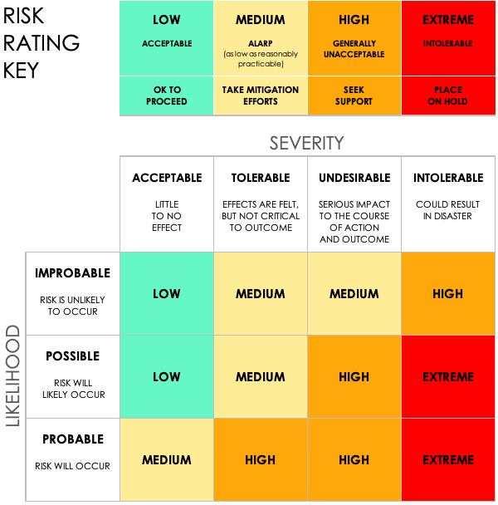
PROJECT ID | PROJECT NAME |  |  | PROJECT MANAGER
1234 | PROJECT OMEGA |  |  | Anjeeshnu Banerjee

 |  |  |  |  | RISK ASSESSMENT |  |  |  |  |  | POST-MITIGATION |  |  | JUDGEMENT
REF / ID | TOPIC | RISK | CONTROL ENVIRONMENT | CONTROL ACTIVITIES | RISK SEVERITY | RISK LIKELIHOOD | RISK LEVEL | MITIGATIONS / WARNINGS / REMEDIES | INFORMATION AND COMMUNICATIONS | CONTROLS PRESENT? | RISK SEVERITY | RISK LIKELIHOOD | RISK LEVEL | ACCEPTABLE TO PROCEED? | COMMENTS AND NOTES
1.1 | Disaster recovery (DR) | Not having data backup and verification capabilities physically on the premises in the event of a disaster. | Duplicate off-premises data center so that one is on site and we have an accurate and reliable data redundancy between the two, in the event of a natural disaster. | Set recovery plan objectives. | ACCEPTABLE | POSSIBLE | LOW | Distinct data center redundancy testing. | IT departmental meeting on PII and GDPR standards. | YES | low | IMPROBABLE | Low | YES | keep Backup
1.2 | Data integration | Inconsistent data during migration | Standardized data formats; real-time validation checks | ETL processes implemented | TOLERABLE | POSSIBLE | MEDIUM | Conduct regular data audits | Regular migration status updates | Yes | low | IMPROBABLE | LOW | YES | Ensure backup before migration
1.3 | Access risk | Unauthorized access to sensitive systems | Multi-factor authentication | Regular access reviews | UNDESIRABLE | PROBABLE | HIGH | Implement least-privilege access policies | Quarterly access review reports | YES | TOLERABLE | POSSIBLE | MEDIUM | YES | Update team on new regulations
1.4 | Monitor regulatory compliance | Failure to meet new regulatory standards | Compliance monitoring tools | Training and audits | INTOLERABLE | PROBABLE | EXTREME | Create a compliance dashboard | Monthly compliance review meetings | YES | UNDESIRABLE | PROBABLE | HIGH | NO | Update team on new regulations
1.5 | Cloud Security | Data breach in cloud environment | Enforced encryption and identity access management | Regular vulnerability scanning | INTOLERABLE | Possible | Extreme | Conduct penetration tests | Real-time cloud monitoring reports | YES | low | IMPROBABLE | low | Yes | Ensure cloud provider compliance
1.6 | Phishing Awareness | Employees falling victim to phishing emails | Security awareness training | Simulated phishing campaigns | INTOLERABLE | Probable | HIGH | Continuous phishing simulations | Awareness newsletters | YES | medium | POSSIBLE | low | Yes | Add anti-phishing tools
1.7 | Network Segmentation | Malware spreading across internal systems | Segmentation policies; firewall rules | Network monitoring | INTOLERABLE | POSSIBLE | extreme | Segment critical and non-critical systems | Weekly firewall and traffic reports | YES | low | IMPROBABLE | low | Yes | Test segmentation periodically
1.8 | Data Loss Prevention (DLP) | Unauthorized data exfiltration | DLP tools for data classification and monitoring | Monitor sensitive data transfers | INTOLERABLE | POSSIBLE | high | Enforce strict DLP policies | Monthly DLP effectiveness reports | YES | medium | POSSIBLE | medium | Yes | Train staff on DLP practices
1.9 | Patch Management | Outdated software leading to vulnerabilities | Automated patching system | Regular patch audits | INTOLERABLE | POSSIBLE | high | Perform weekly patch compliance checks | Patch deployment logs | YES | low | IMPROBABLE | low | Yes | Automate patch reminders
2.1 | Insider Threat Detection | Malicious activity from internal users | Behavioral monitoring software | Monitor user activity logs | INTOLERABLE | POSSIBLE | high | Implement anomaly detection | Monthly behavioral audit reports | YES | low | IMPROBABLE | low | Yes | Expand monitoring capabilities
2.2 | Vendor Risk Management | Vendor failing to meet SLA | Regular vendor performance assessments | Annual vendor audits | INTOLERABLE | POSSIBLE | medium | Include SLA breach penalties | Quarterly vendor scorecards | YES | low | IMPROBABLE | low | Yes | Establish strict vendor SLAs
2.3 | Endpoint Security | Endpoint compromise due to weak controls | Endpoint Detection and Response (EDR) solutions | Monitor endpoint activity | INTOLERABLE | POSSIBLE | high | Apply centralized endpoint monitoring | Endpoint activity dashboard | YES | low | IMPROBABLE | low | Yes | Test EDR tools regularly
2.4 | Physical Security | Unauthorized physical access to facilities | Badge access system | Monitor badge activity logs | INTOLERABLE | POSSIBLE | medium | Strengthen access policies for sensitive areas | Facility access audit reports | YES | low | IMPROBABLE | low | Yes | Conduct regular access reviews
2.5 | Backup and Recovery | Inability to restore critical systems | Scheduled and automated backups | Test backup restoration regularly | INTOLERABLE | Probable | high | Ensure backups are encrypted | Backup status reports | YES | low | IMPROBABLE | low | Yes | Perform quarterly backup tests

